6-8.Ingre&Nutrition&Allergens
6.Product Composition
Ingredients |  | Components |  | % Composition | Supplier Names |  | Country of Origin | Genetically modified?
(Including E numbers and *functions for additives) |  | (if ingredient is composed of several sub-ingredients) |  | (Please list the ingredients in descending order) | (Please list all suppliers per ingredient)
Tencha (green tea) |  | Tencha (green tea) |  | 100.00% | 贵州太羿茶业有限公司 |  | CHINA | NO
 |  |  |  |  | 杭州径乐茶业有限公司 |  | CHINA | NO
 |  |  |  |  | 杭州临安绿洲茶业有限公司 |  | CHINA | NO

 |  |  | Total | 100.00%
* If any processing aid is used, please explain here:

*Please choose the functional of food additives from below: sweeteners / colours / preservatives / antioxidants / carriers / acids / acidity regulators / anti-caking agents / anti-foaming agents / bulking agents / bulking agents / emulsifiers / emulsifying salts / firming agents / flavor enhancers / foaming agents / gelling agents / glazing agents / humectants / modified starches / packaging gases / propellants / raising agents / sequestrants / stabilisers / thickeners / flour treatment agents / contrast enhancers

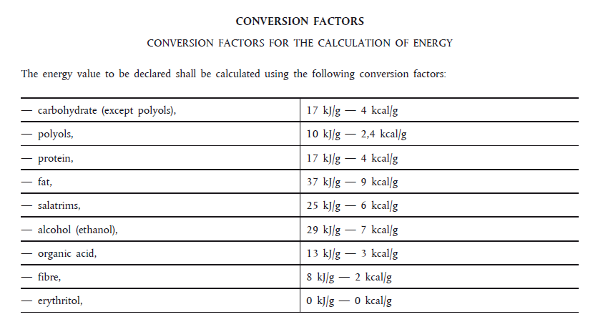
7.Nutritional Information |  | * Not Mandatory
Typical Values (g) |  | Per 100g/100ml
Energy (Kcal/KJ) |  | Kcal:381.69 KJ:1596 |  |  |  |  |  |  | 0
Fat |  | 3.2 |  | 28.8
of which saturate fat |  | 0.8
of which monounsaturated fat*
of which, polyunsaturated fat*
Carbohydrate |  | 59.8 |  | 239.2
of which sugar |  | 2
of which Polyols*
of which starch*
Fibre* |  | 35.3 |  | 70.6
Protein |  | 27.1 |  | 108.4
Salt |  | 0
NOTE: Must attach lab analyses report |  |  |  | 447
8.The fourteen Allergens – Regulation (EU) No 1169/2011
 | Potential Component |  |  | Product contains? | Handled on same site? | Handled on same Production line ? | Measures to prevent Cross-contamination in Place ? | PAL/May Contain statement needed?
 | *Please tick in the box |  |  | Yes/No | Yes/No | Yes/No | Yes/No | Yes/No
01 | Cereals containing gluten including wheat, Rye, Barley, Oats, Spelt & Khorasan and products thereof: |  |  | NO | NO | N0 | NO | NO
02 | Crustaceans and products thereof: |  |  | NO | NO | N0 | NO | NO
03 | Fish and products thereof: |  |  | NO | NO | N0 | NO | NO
04 | Molluscs and products thereof: |  |  | NO | NO | N0 | NO | NO
05 | Peanuts and products thereof: |  |  | NO | NO | N0 | NO | NO
06 | Soybeans and products thereof: |  |  | NO | NO | N0 | NO | NO
07 | Milk and products thereof: |  |  | NO | NO | N0 | NO | NO
08 | Nuts and products thereof: |  |  | NO | NO | N0 | NO | NO
09 | Celery and products thereof: |  |  | NO | NO | N0 | NO | NO
10 | Mustard and products thereof: |  |  | NO | NO | N0 | NO | NO
11 | Sesame seeds and products thereof: |  |  | NO | NO | N0 | NO | NO
12 | Sulphur Dioxide or Sulphites: |  |  | NO | NO | N0 | NO | NO
13 | Lupin and products thereof: |  |  | NO | NO | N0 | NO | NO
14 | Egg and products thereof: |  |  | NO | NO | N0 | NO | NO

9-13.Quality Attributes
9.Chemical Standard & Harmful Contamination
Test Item Depends on the products, different pesticides, heavy metals, chemicals should be monitord. Fill in the items to be monitored according to the likely risk of contamination ; Example : Cadmium in seaweed, Acidity in sushi ginger |  | EU MRL mg/kg | Country of Origin MRL Standard (mg/kg) | COA frequency
Lead (in Pb) | 铅 | 0.5 | 5 | once a year
Acetamiprid | 吡虫啉啶 /啶虫脒 | 0.05 | 10 | once a year
Carbendazim | 甲基硫菌灵 | 0.1 | 5 | once a year
Thiamethoxam | 噻虫嗪 | 20 | 10 | once a year
Difenoconazole | 苯醚甲环唑 | 0.05 | 10 | once a year
Imidacloprid | 吡虫啉 | 0.05 | 0.5 | once a year
Tolfenpyrad | 唑虫酰胺/托尔芬吡蚜酮 | 0.05 | 50 | once a year
Benomil/carbendazim | 苯菌灵/多菌灵 | 0.1 | 5 | once a year
Chlorpyriphos-ethyl | 乙基毒死蜱 | 0.01 | 2 | once a year
Dinotefuran | 呋虫胺 | 0.01 | 20 | once a year
Myclobutanil | 腈菌唑 | 0.05 | / | once a year
Pyraclostrobin | 吡唑醚菌酯 | 0.1 | 10 | once a year
Tebuconazole | 戊唑醇 | 0.05 | / | once a year
Lambda-cyhalothrin | 高效氯氟氰菊酯 | 0.01 | 15 | once a year
Procymidone | 腐霉利 | 0.05 | / | once a year
Thiacloprid | 噻虫啉 | 5 | 10 | once a year
Polycyclic aromatic hydrocarbons sum of | 多环芳烃总量（PAHs 总量） | 50 µg/kg - ppb | / | once a year
Benzo(a)pyrene | 苯并[a]芘 | 10 µg/kg - ppb | / | once a year
* “Where no specific MRL is set, a default MRL of 0.01 mg/kg shall apply.”Under the Retained EU Regulation (EC) No 396/2005
* Cell A 4-9 listed 6 pesticides shall be tested with extra frequency
* Must comply with Annex EU pesticide MRL
10.Acrylamide
Are Products at risk of acrylamide? |  |  |  |  | Yes/No
If Yes. What mitigation measures are in place to manage acrylamide levels with the food? |  |  |  |  | NO
11.Radioactivity | *occurs naturally in all food and can be transferred into food in different ways eg crops from soil, drinking water from the earth, Fish and Shellfish from the water or Sea floor.
Has the product/ ingredient been irradiated? |  |  |  |  | Yes/No
Is the product/ ingredient subject to potential radioactive cross contamination? |  |  |  |  | No
If yes, what controls in place
Has the product/ ingredient been imported into the UK from a country that has high levels of radioactivity? |  |  |  |  | No
If Yes, how is this controlled and what checks are carried out?
12.Microbiology Standards | *Please insert GB standard
Micro-organisms | Type | EU Standard | Country of Origin Government Standard | Manufacturer Own Standard | COA Frequency
TVC | Quality Indicator |  | NO | 10000CFU/g | once/PO | *please clarify by filling in how many samples per day/PO rather than by each lot
Coliforms | Hygiene indicator |  | NO | 10CFU/g | once/PO
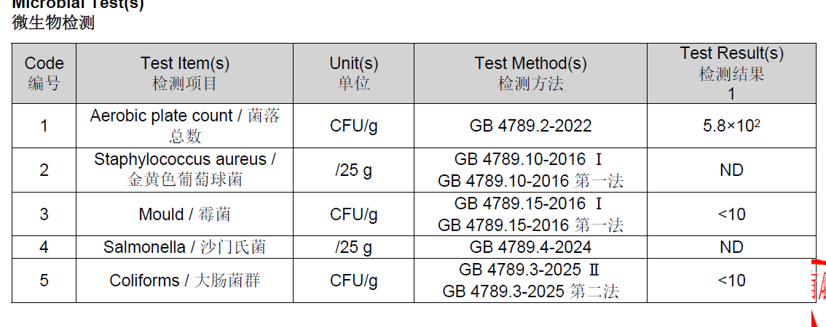
Escherichia coli | Hygiene indicator |  | NO | NO
Enterobacteriaceae | Hygiene indicator |  | NO | NO
Listeria spp | Hygiene indicator |  | NO | NO
Listeria monocytogenes | Pathogens |  | NO | NO
Campylobacter spp. | Pathogens |  | NO | NO
Escherichia coli O157 | Pathogens |  | NO | NO
Salmonella spp. | Pathogens |  | NO | Absence | once a year
Shigella spp. | Pathogens |  | NO | NO
Vibrio cholera (O1 and O139) | Pathogens |  | NO | NO
Vibrio parahaemolyticus | Pathogens |  | NO | NO
Bacillus cereus | Pathogens |  | NO | NO
Bacillus spp. | Pathogens |  | NO | NO
Clostridium perfringens | Pathogens |  | NO | NO
Staphylococcus aureus and other coagulase-positive staphylococci | Pathogens |  | NO | Absence | once a year
Yeast and Mould | Hygiene indicator |  | NO | 500CFU/g | Once/PO
13.Acceptance and Rejection standard
Standard Product Photo & Description |  | Rejected Product Photo& Description
IE. Grading, Sizing, Appearance, Flavor/taste, Texture, Colour, smell |  | IE. Grading, Sizing, Appearance, Flavor/taste, Texture, Colour, smell
An ultra-fine and bright green powder made from specially cultivated and processed green tea leaves, used as a tea product and culinary ingredient. |  | Colour not green, taste has no flavour, and doesn't taste fresh.

Item | Index | Test Method
Appearance | The color is yellow green, with fine particles, appearing as bright ultra-fine powder | The sensory evaluation is conducted against the physical samples and according to GB / T 23776 (China).

Soup color | yellow Green Bright
Odour | fragrant
Taste | fresh and brisk
Texture | fine and uniform particle, smooth

14-16.Quantity&packaging info
14.Quantity Attributes
 | Unit | Case (kg)
Unit Drained Weight (If Product contains liquid) |  | N/A
Net Weight | 100g | 5
Gross Weight |  | 5.9
Is the product packed in a Protective atmosphere? (if yes, indicate the composition on gases used if applicable) |  |  |  | Yes/No | No
Is the product vacuum packed? |  |  |  | Yes/No | No
Primary Package Plastic Material Comply with Commission Regulation (EU) No 10/2011 |  |  |  | Yes/No | Yes
15.Packaging Weight Dimensions & Container Maxi Load
 | Material (plastic, cardbaord, glass, etc) | If plastic, indicate the plastictypes from below 01-07 | Weight (g) | Dimensions (mm)
Primary | PET/AL/PE |  | 6.7 | L | 180
Barcode: 5060740662215 |  |  |  | W | 130
 |  |  |  | H
Secondary | card paper |  | 800 | L | 400
Barcode: |  |  |  | W | 300
35060740662216 |  |  |  | H | 175
Tertiary |  |  |  | L
Barcode: |  |  |  | W
 |  |  |  | H
20FCL Max Load without palletized | 1095

16.Pallet Configuration
 | UK Pallet Configuration (1.0m x 1.2m) | EU Pallet Configuration (0.8m x 1.2m)
Cases per layer | 10 | 8
Number of layers | 9 | 9
Cases/pallet | 90 | 72
Pallet height (m) | 1.575 | 1.575
Total Pallet height including pallets base 0.145m | 1.72 | 1.72
Pallet weight (kg) | 531.0 | 424.8
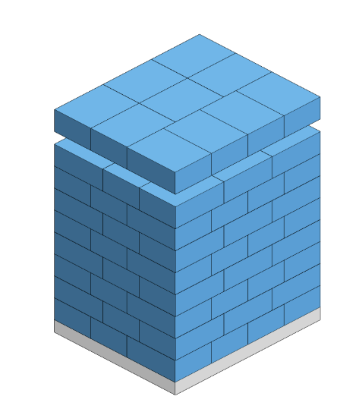 Pallet Top-View |  | 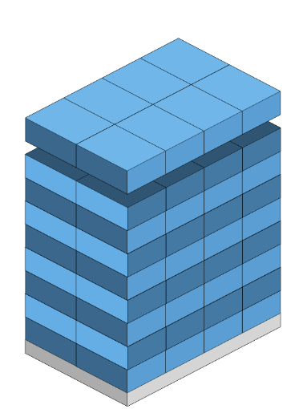
*pallet height must lower than 1.75m & gross weight under 1000kg
* Pallet itself height 14.5cm

17-21.HACCP,Artwork&SpecAuthor.
17.Process Flow Chart- (showing all CCPs)
Please provide in the form a Critical Control Point (CCP), a description of the process/packing operations including processing times tempuratures where applicable and in process Safery Control Checks (CCP Summary) and Quality Checks.
*please insert HACCP plan of product:picking→withering→fixation via steaming\hot air\mixed steaming and stir-frying→drying→destemming→ eliminating impurities→ blending→ grinding→ packaging → storage/*The fresh tea leaves go through 10-25 days’ covering before picking.
18.Critical Control Points
CCP | Control Measure |  | Critical Limit | Monitoring Frequency
Metal Detector | Iron, Non iron, Stainless Steel |  | Fe≥0.8mm、 SUS316≥1.5mm、 No Fe≥1.2mm | Full monitoring throughout the process, verification of JinTan equipment before and after shift, and verification every 2 hours during the production process
X-ray machine | Stainless steel, ceramics, glass |  | Stainless steel ≥ 1.5mm ceramic ≥ 4mm glass ≥ 4mm | Full monitoring throughout the process, verification of JinTan equipment before and after shift, and verification every 2 hours during the production process

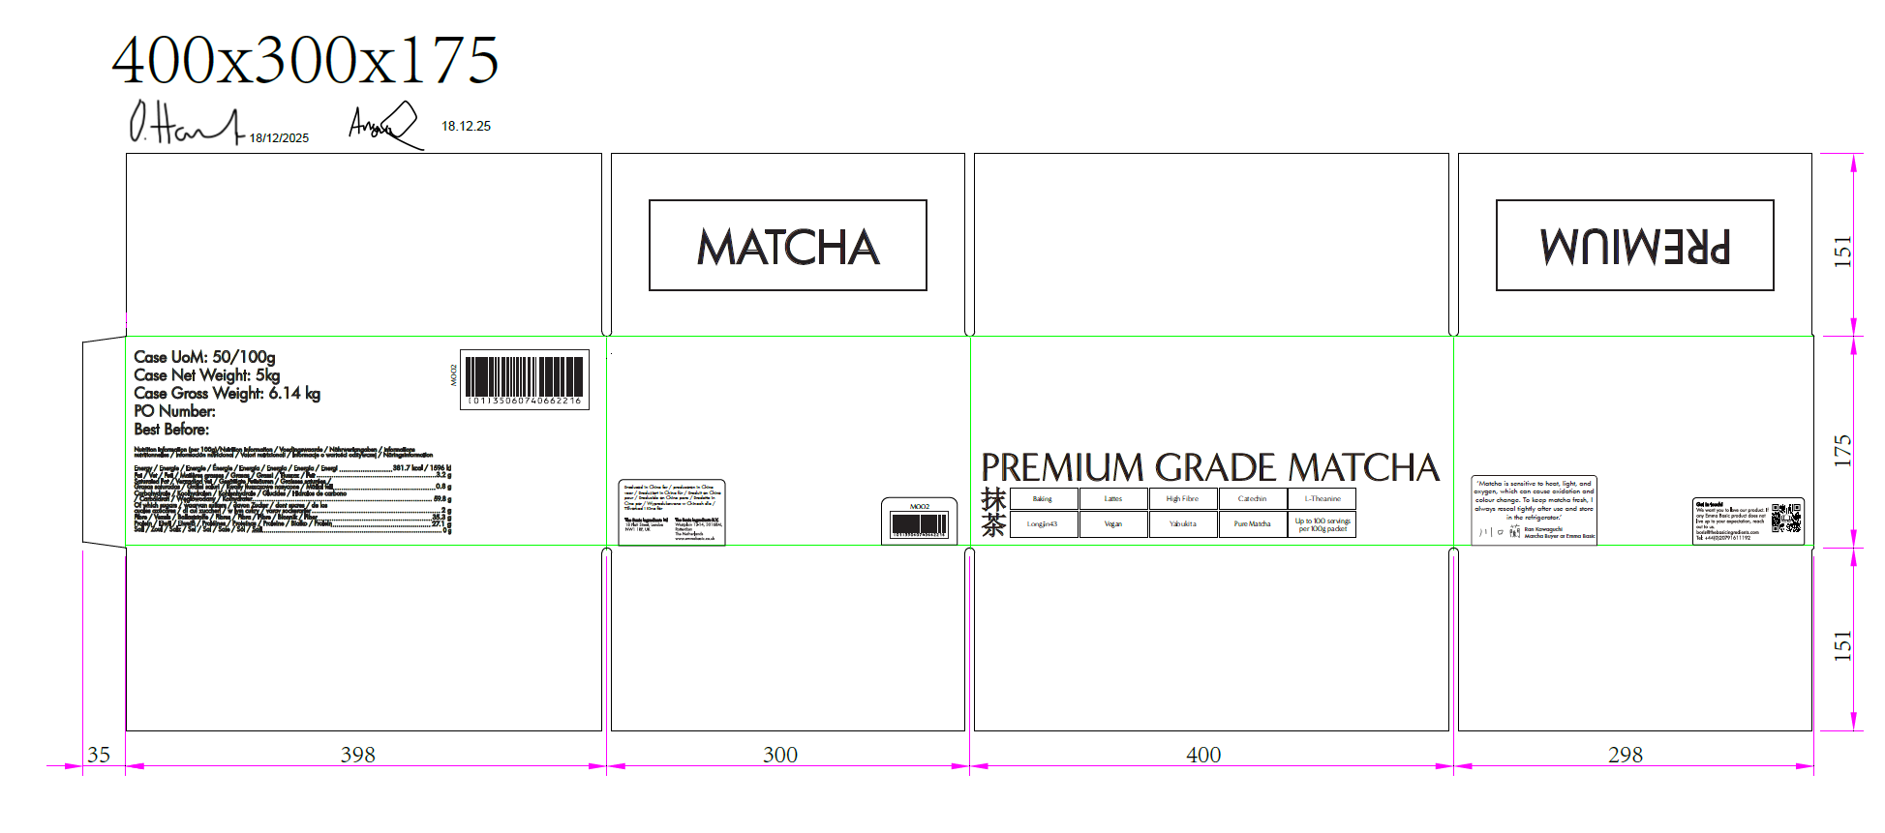
19.Artwork
Inner Label / Package Design artwork |  | Outer Label / Package Design artwork
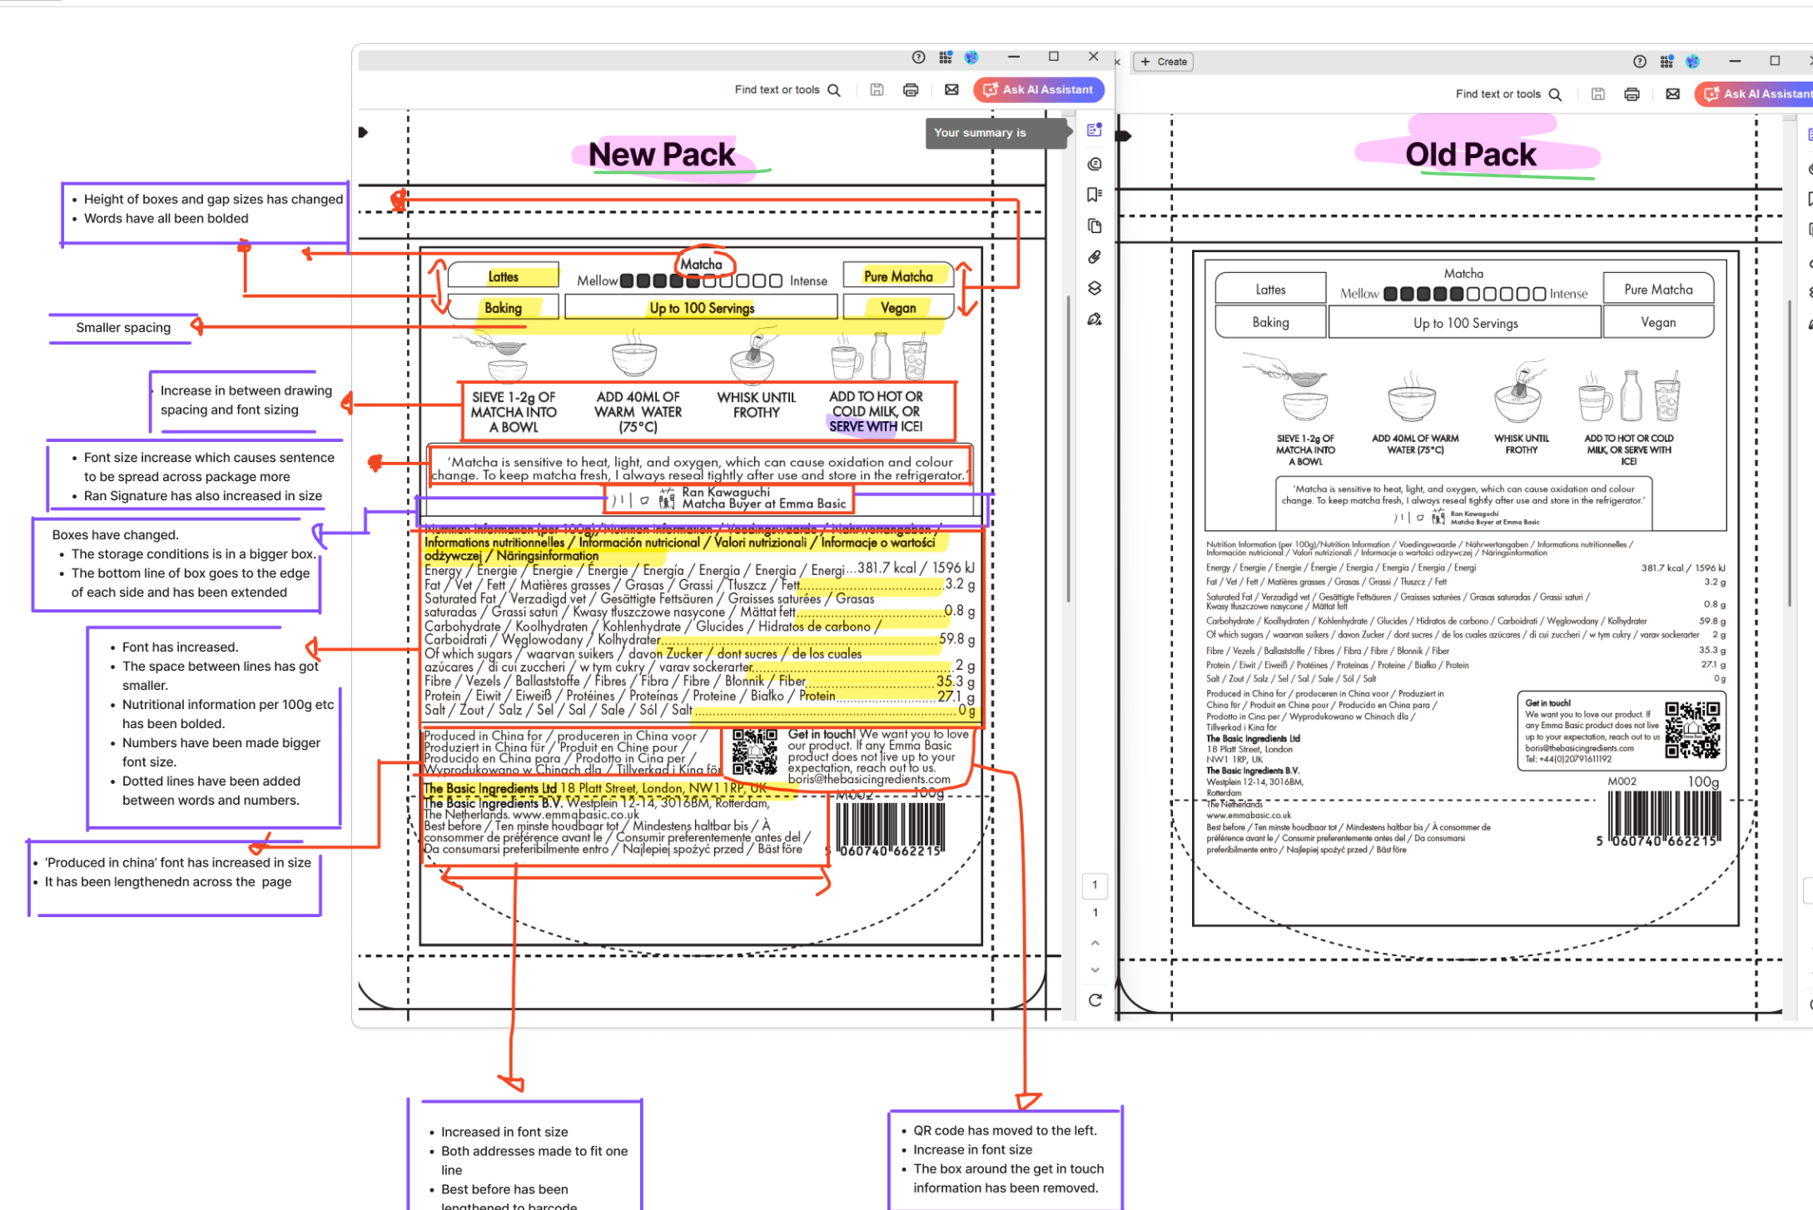

20.Packaging Photos
Finished Product with Primary package | Outer Case (Secondary) |  | Tertiary
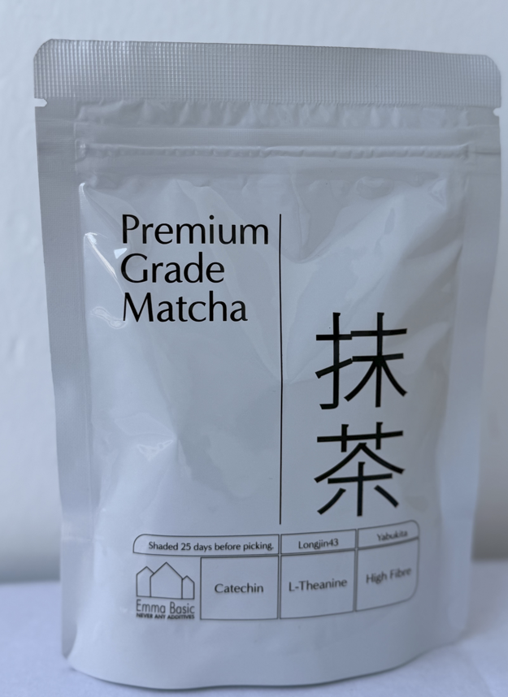 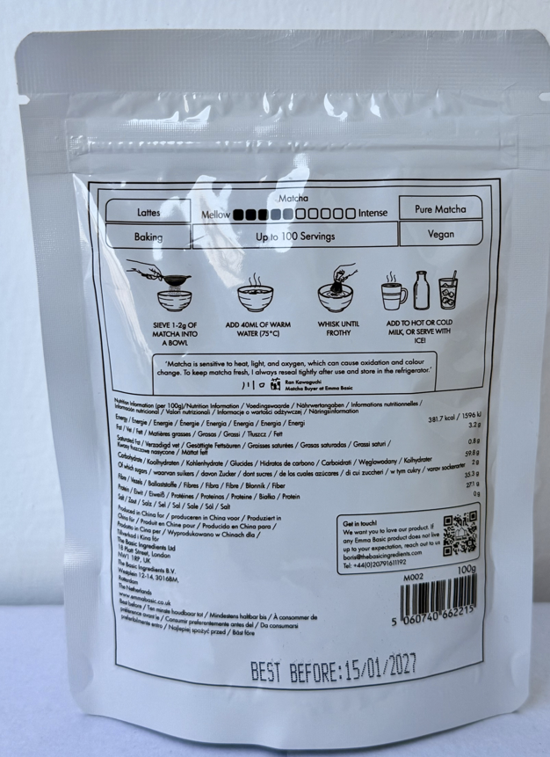
21. Specification Authorization
1.Product to be supplied in accordance with this agreed specification. No changes are to be made without prior knowledge and prior written agreement of The Basic Ingredients Ltd. 2.The contents of this specification are confidential and should not be disclosed to a third party without a written approval of The Basic Ingredients Ltd. 3. Product must be fit for purpose of the nature and substance stated in this specification and free from foreign body. 4. The raw materials used in this product fulfil the requirements described in the Regulation 1881/2006/EC related to contaminants in foodstuffs, the Regulation 396/2005/EC related to pesticides in foodstuffs, and their amendments. 5. The product has not been treated with ionising radiation and does not contain any irradiated ingredients- Regulated under Directive 1999/2/EC and Directive 1999/3/EC. 6. This product does not contain ingredients that contain GMO or consist of GMO or were produced from GMO - Regulated under Regulation (EC) No 1829/2003, Regulation (EC) No 1830/2003, and their amendments. 7. Products to be delivered using suitable transport in the stated conditions (i.e. ambient, chilled, frozen). 8. The information on this specification can be used without reservation to advise customers with food allergies, intolerances or aversions, especially those who may die from an anaphylactic reaction to traces of ingredients. 9. All materials intended to come into contact with foods complies with European regulations: Regulation (EC) No. 1935/2004, Regulation (EC) No. 2023/2006, Regulation (EU) No. 10/2011, Directives 82/711/EEC, 85/572/EEC, 2002/72/EEC (and the relevant amendments).
Manufacturer Name
Signature
Print Name
Position in Company
Date

For and on behalf of The Basic Ingredients Ltd:
Signature | 杜一静
Print Name | Emma Du
Position in Company | Director
Date | 13-Jan-26

Package Legal Compliant
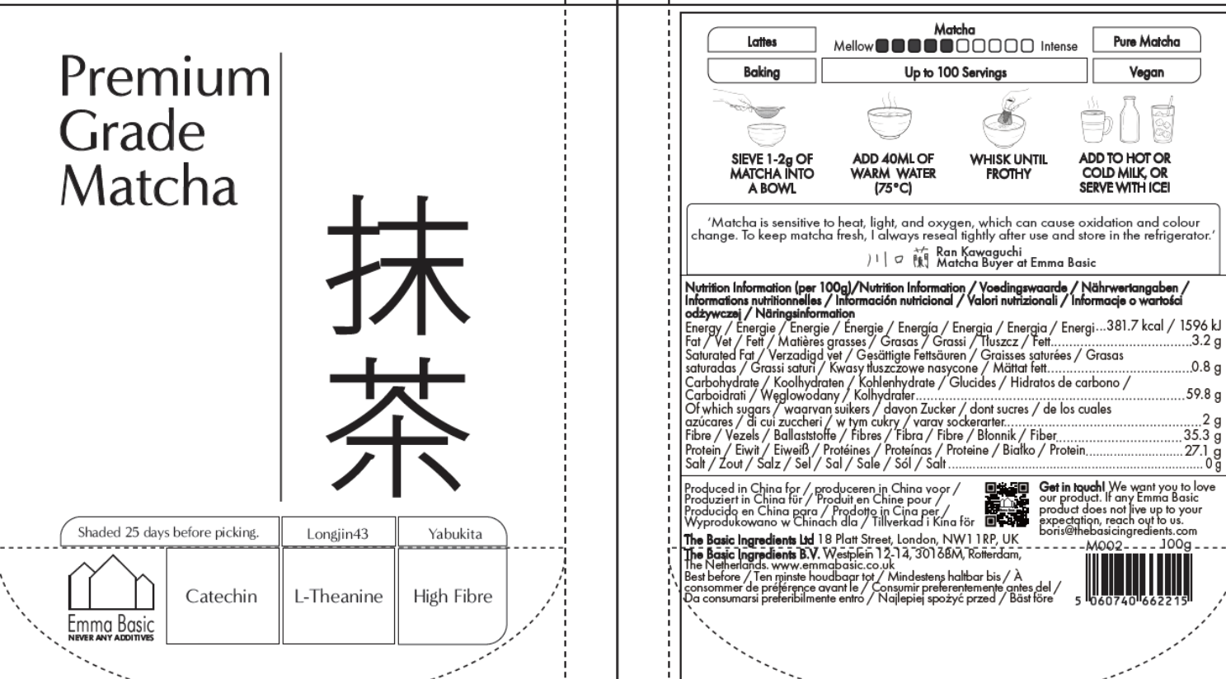
Regulation (EC) No 1924/2006 (nutrition & health claims)
Regulation (EU) No 1169/2011 (food information, misleading info)

Mentioning a substance is allowed. Claiming or implying an effect is not — unless authorised.
Front of the pack : Catechin, L-Theanine, High Fibre , Each is shown as a neutral descriptor, not a benefit.
✔ This is considered factual ingredient information, not a health claim
✔ Catechins and L-theanine are naturally present in matcha
✔ No function, benefit, or physiological effect is stated
➡️ Low regulatory risk as currently designed.
⚠️ Where it could become non-compliant
You would cross into unauthorised health claims if you add anything like:
“Calming” / “Relaxing” (L-theanine)
“Focus” / “Alertness”
“Antioxidant benefits”
“Detox”
“Fat burning”
“Stress reduction”
Even icons, colours, or symbols (brain, heart, lightning bolt, zen face) could be interpreted as implicit health claims.
👉 Your current plain boxes are good. Keep them boring.
Specific assessment per icon
🟢 Catechin | 🟢 L-Theanine | 🟢 High Fibre
❌ No authorised health claims for catechins in green tea | ❌ EFSA has rejected claims related to relaxation, stress, sleep, focus | ✅ This is an authorised nutrition claim
✅ Allowed as substance presence only | ✅ Name-only mention is allowed | Requirement: ≥6 g fibre / 100 g
⚠️ Avoid pairing with “antioxidant” wording or symbols | ⚠️ High enforcement sensitivity ingredient | Your nutrition table shows ~35 g / 100 g
Verdict: ✔ Safe as-is | Verdict: ✔ Safe only if kept strictly neutral | Verdict: ✔ Fully compliant

Final verdict
🟢 Your “Catechin / L-Theanine” icons are compliant as currently designed.
🟢 Risk level: Low
🟡 Risk only increases if you add implied benefits later.

"High Fibre" — this is a regulated nutrition claim under assimilated Reg 1924/2006. To use it legally, the product must contain ≥6g fibre per 100g (or ≥3g per 100 kcal). Matcha powder usually does meet that threshold on a dry-weight basis (around 30–40% fibre). BUT — because matcha is consumed at 1–2g per serving (so ~0.3–0.6g fibre per cup), the ASA can still rule "High Fibre" misleading in context even if the threshold is technically met. Realistically: drop it. Low SEO value, real regulatory exposure.
"L-Theanine" — listing a compound by name in a title is borderline. Compositional fact = allowed. But putting it in the title is widely read as "buy this for the L-theanine," which is an implied benefit claim for an ingredient with zero authorised health claims. Higher risk than people think. Safer to remove from title; mention it in the body as composition only (which you already do in USP 5).

